Model Fit
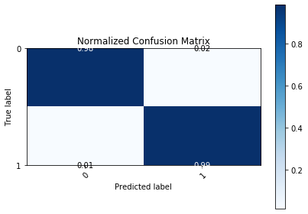
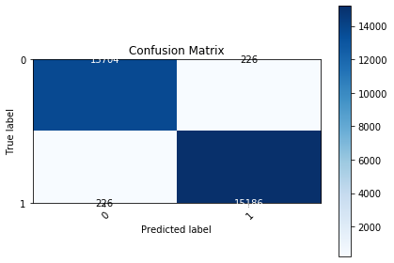
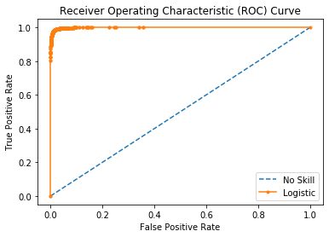
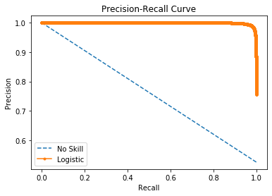

Logistic Area Under Curve | 0.99889510025 | Logistic Area Under Curve | 0.99902268776
No Skill Area Under Curve | 0.5 | Logistic F1 | 0.98533610174
Optimal Threshold | 0.52203183556 | No Skill Area Under Curve | 0.76262695113
 |  | No Skill F1 | 0
 |  | Best Threshold (F1) | 0.51

